Sheet1
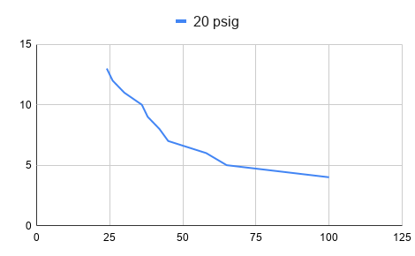
S.No | SIGNAL: PRE | DIAL GUAGE | NOZZLE GAP | AVG | GAP CHANGE | SIG P CHANGE | GAIN
1 | 4 | 98 | 100 | 99 | - | - | -
2 | 5 | 76 | 65 | 70.5 | 28.5 | 1 | 0.0350877193
3 | 6 | 62 | 58 | 60 | 10.5 | 1 | 0.09523809524
4 | 7 | 55 | 45 | 50 | 10 | 1 | 0.1
5 | 8 | 50 | 42 | 46 | 4 | 1 | 0.25
6 | 9 | 45 | 38 | 41.5 | 4.5 | 1 | 0.2222222222
7 | 10 | 42 | 36 | 39 | 2.5 | 1 | 0.4
8 | 11 | 36 | 30 | 33 | 6 | 1 | 0.1666666667
9 | 12 | 34 | 26 | 30 | 3 | 1 | 0.3333333333
10 | 13 | 25 | 24 | 24.5 | 5.5 | 1 | 0.1818181818

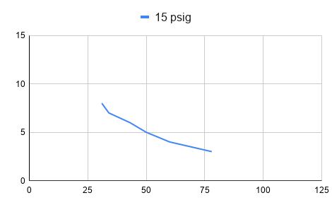
S.No | SIGNAL: PRE | DIAL GUAGE | NOZZLE GAP | AVG | GAP CHANGE | SIG P CHANGE | GAIN
1 | 3 | 80 | 78 | 79 | - | - | -
2 | 4 | 66 | 60 | 63 | 16 | 1 | 0.0625
3 | 5 | 52 | 50 | 51 | 12 | 1 | 0.08333333333
4 | 6 | 44 | 43 | 43.5 | 7.5 | 1 | 0.1333333333
5 | 7 | 38 | 34 | 36 | 7.5 | 1 | 0.1333333333
6 | 8 | 33 | 31 | 32 | 4 | 1 | 0.25

